1. Title Page
[Instacart Grocery Basket Analysis]

Project Name: Instacart Grocery Basket Analysis
Date: April 2024
Analyst Name: Sydney Hoy

Contents:
Population Flow
Consistency checks
Wrangling steps
Column derivations
Visualizations
Recommendations

Data Citations
“The Instacart Online Grocery Shopping Dataset 2017”, Accessed from www.instacart.com/datasets/grocery-shopping-2017 via Kaggle on [date].

Note: all customer and price data was fabricated for the purposes of this project

2. Population Flow
Title page

Population flow

Exclusion flag
Condition: max_order < 5
Obervations to be removed: 1025482
Final total count of customers_merged: 29303281

Orders_products_combined
Orders_products_merged
customers_merged

Total: 30328763
Total: 30356421
Total: 30328763

1.) The grey boxes in the first row of the population flow represent the original data sets as they were when you downloaded them. In the Total fields you need to add the count of the rows when you imported the data set into Jupyter.
2.) The second row of boxes (coloured) represents the data sets after you manipulated them, e.g., removed missing values and duplicates. In the Total fields you need to add the count of the rows after conducting these operations. This offers a visual oveview of how the data flows throughout the data consistency checks.
3.) The third row, where also the arrows are coloured, represents the merges you performed between the datasets. In the Total fields you need to add the count of the rows in the merged datasets, so that you end up with the final dataset (in the red box). Keep in mind the final dataset should be without exclusions (based on the exclusion flag).

3. Consistency checks
 |  |  |  | Title page
Consistency checks

Dataset | Missing values | Missing values treatment | Duplicates
orders | 206209 | removed | 0
products | 16 | removed | 5
orders_products_prior | 0 | N/A | 0
customers | 11259 | kept | 0

4. Wrangling steps
 |  |  |  | Title page
Wrangling steps

Columns dropped | Columns renamed | Columns' type changed | Comment/Reason
eval_set |  |  | column was unnecessary to analysis
busiest_day |  |  | changed to busiest_days
First Name |  |  | PII
Last Name |  |  | PII
_merge |  |  | unnecessary to analysis once used to check the merge of dataframes
 | STATE -> State |  | consistancy
 | Surnam -> Last Name |  | consistancy
 | ordser_dow -> orders_day_of_week |  | to make column name more self explanatory to stakeholders
 |  | order_id -> string | ensure column not be included in descriptive statistics
 |  | user_id | Memory
 |  | order_number | Memory
 |  | orders_day_of_week | Memory
 |  | order_hour_of_day | Memory
 |  | days_since_prior_order | Memory
 |  | product_id | Memory
 |  | add_to_cart_order | Memory
 |  | reordered | Memory
 |  | aisle_id | Memory
 |  | department_id | Memory
 |  | prices | Memory
 |  | max_order | Memory
 |  | avg_order | Memory
 |  | median_order_frequency | Memory
 |  | Age | Memory
 |  | n_dependents | Memory
 |  | income | Memory
 |  | Dependents | Memory

5. Column derivations
 |  |  |  | Title page

Column derivations and aggregations

Dataset | New column | Column/s it was derived from | Conditions
ords_prods_merge | price_range_loc | prices | price > 15 high_range product, price <=15 and > 5 Mid range product, price <= 5 Low_range product
ords_prods_merge | busiest_days | orders_day_of_week | if 0 or 1 =busiest days, if 3 or 4 = least busy days, if any other value = regularly busy day
ords_prods_merge | busiest_period_of_day | order_hour_of_day | if value 9-16 = Most orders, if value 7, 8, 17-22 = Average orders, if any other value = Fewest orders
ords_prods_merge | max_order | user_id, order_number | maximum orders per customer
ords_prods_merge | loyalty_flag | max_order | max_order > 40 = Loyal customer, max_order <= 40 or > 10 = Regular customer, max_ord <=10 = New customer
ords_prods_merge | avg_order | user_id, prices | average price of products purchased by each user
ords_prods_merge | spending_flag | avg_order | avg_order < 10 = Low spender, avg_order >=10 = High spender
In this tab you should add tables below that the frequences of flags/label variables that you produced after deriving them. NB: don't do this for continuous variables, only for flags.
ords_prods_merge | median_order_frequency | user_id, days_since_prior_order | median of each users days_since_prior_order
ords_prods_merge | order_frequency | median_order_frequency | median_order_frequency > 20 = Non-frequent customer, median_order_frequency <= 20 and > 10 = Regular customer, median_order_frequency <= 10 = Frequent customer
customers_merged_activity | Dependants | n_dependants | n_dependants > 0 = Yes, n_dependants = 0 = No
customers_merged_activity | Income Range | income | income <= 67351 = Low Income, income > 67351 and < 128115 = Mid Income, income >= 128115 = High Income
customers_merged_activity | Income Profile | income, fam_status, Dependants | income = Low income, Dependants = yes, fam_status = single, living with parents and siblings, divorced/widowed = Low income single with dependants; income = Mid income, Dependants = yes, fam_status = single, living with parents and siblings, divorced/widowed = Mid income single with dependants; income= High income, Dependants = Yes, fam_status = single, living with parents and siblings, divorced/widowed = High income single with dependants; income = Low income, Dependants = no, fam_status = single, living with parents and siblings, divorced/widowed = Low income single without dependants; income = Mid income, Dependants = no, fam_status = single, living with parents and siblings, divorced/widowed = Mid income single without dependants; income= High income, Dependants = no, fam_status = single, living with parents and siblings, divorced/widowed = High income single without dependants; income = Low income, Dependants = yes, fam_status = married = Low income married with dependants; income = Mid income, Dependants = yes, fam_status = married = Mid income married with dependants; income= High income, Dependants = Yes, fam_status = married = High income married with dependants; income = Low income, Dependants = no, fam_status = married = Low income married without dependants; income = Mid income, Dependants = no, fam_status = married = Mid income married without dependants; income= High income, Dependants = no, fam_status = married = High income married without dependants
customers_merged_activity | Family Profile | fam_status, Dependants | Dependants = yes, fam_status = single, living with parents and siblings, divorced/widowed = Single with dependants; Dependants = yes, fam_status = married = married with dependants; Dependants = no, fam_status = single, living with parents and siblings, divorced/widowed = Single without dependants; Dependants = no, fam_status = married = married without dependants
customers_merged_activity | Age Profile | fam_status, Age | Age under 36, fam_status = single, living with parents and siblings, divorced/widowed = Single adult under 36; Age between 35 and 60, fam_status = single, living with parents and siblings, divorced/widowed = Single adult 36-59; Age 60 and over, fam_status = single, living with parents and siblings, divorced/widowed = Single adult 60 and over; Age 36, fam_status = married = Married adult under 36; Age between 35 and 60, fam_status = married = Married adult 36-59; Age 60 and over, fam_status = married = Married adult 60 and over

6. Visualizations
In this tab you should include all the visualtions from Exercises 4.9 and 4.10, alongside the questions from the project brief that they answer. Include any commentary on the relationship between different variables.
 |  |  |  |  | Title page

Visualisations

You need to provide the Instacart senior stakeholders with descriptive findings about sales. Create a histogram of the “order_hour_of_day” column. |  | The marketing team is curious about the distribution of orders among customers in terms of loyalty. Create a bar chart from the “loyalty_flag” column. |  |  |  |  | Check whether there’s a difference in expenditure (the “prices” column) depending on the hour of the day. |  |  |  |  |  |  | Now that you have information about customers, you need to conduct some exploratory analysis of customer demographics to inform the targeted marketing campaigns. First, determine whether there’s a connection between age and family situation by creating a line chart exploring the connections between age and number of dependents:

The histogram shows that the mojority of orders are from around 9 am to 5pm with no orders around noon. |  | This graph shows that "regular customers make up most of the customer base |  |  |  |  | There does not seem to be a correlation between hour of day and expenditure |  |  |  |  |  |  | The line chart does not show any relationship between age and number of dependents.

Frequency of Orders Hour of Day |  | Loyalty Flag |  |  |  |  | Order Hour of Day vs. Prices |  |  |  |  |  |  | Age vs. Number of Dependants
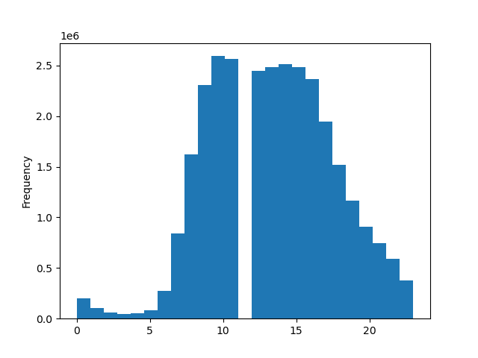

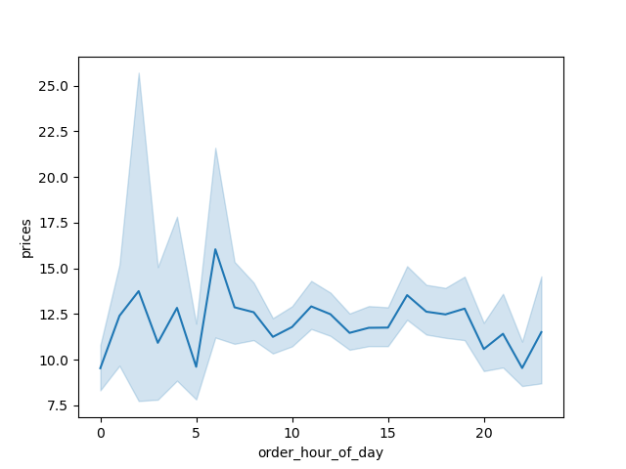
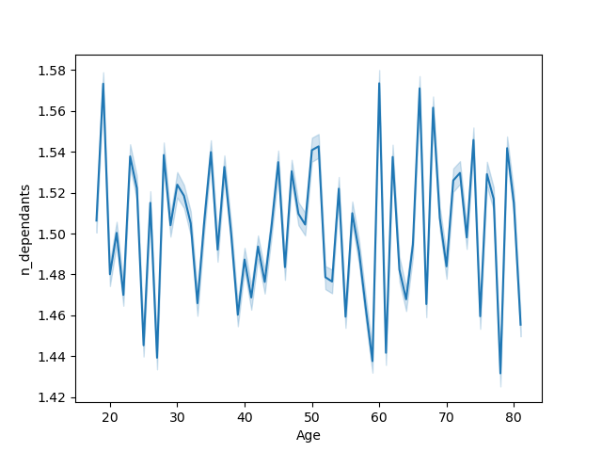

 |  | Regular customer | Loyal customer | New customer
You’ll also need to explore whether there’s a connection between age and spending power (income). To visualize this relationship, create a scatterplot using the sns.scatterplot() function. |  | Visualization created from porfiles |  |  |  | Visualization created from porfiles |  |  |  |  |  |  | Visualization created from porfiles

The scatterplat shows the majority of the income across all customers is between 0 and 200000. There ia also an increase in income starting at 40 years where a lot of people are in the 200000 - 300000 and a comparitively small sample of people between 300000 and 600000 range after the age of 40. |  | This graoh shows that the majority of instacarts customers are married with dependants. |  |  |  | This graph shows that a large protion of instacarts customers are married over the age a 35 and then married under 36. The smaller customer base is single of all age groups |  |  |  |  |  |  | Once narrowd down even more this graph tells us that most of the customers within this profile are Mid incom married with dependants. Then with less than half as many customers High income married with dependants, low incom married with dependants, and mis income singlw without dependants. So the we can deduce that the majority customer base is made up of people married with dependents.

Age vs Income
 |  | Family Profile vs Number of Customers |  |  |  | Age Profile vs Number of Customers |  |  |  |  |  |  | Income Profile vs Number of Customers
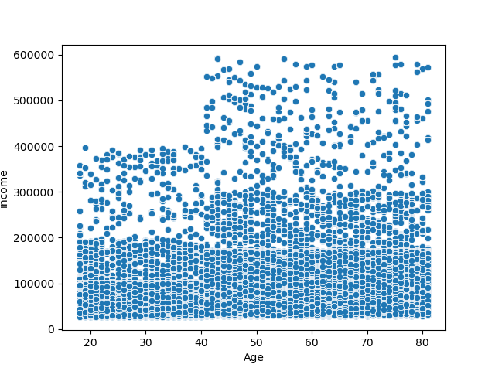
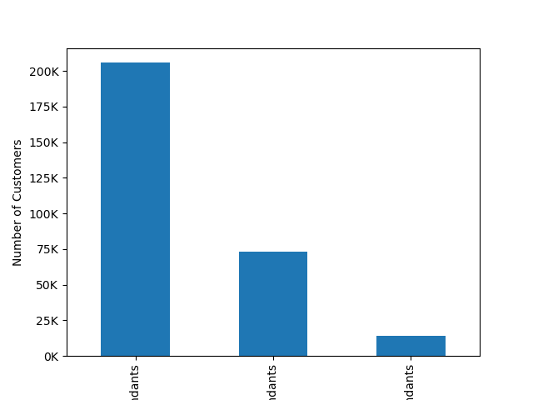
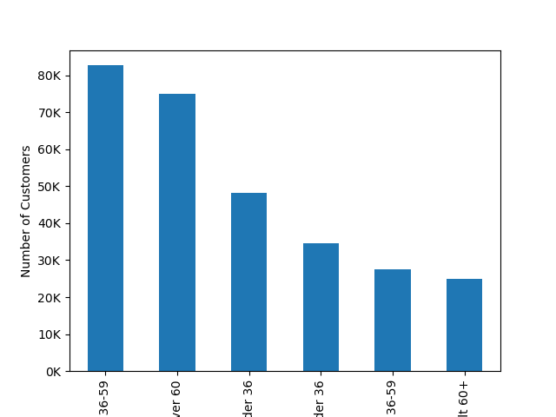
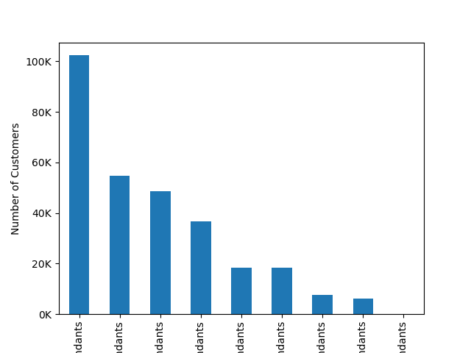

Low income married with dependants
High income single without dependants
Mid income married with dependants
Mid income single with dependants
High income single with dependants

High income married with dependants
 | Married with Dependents |  | Single without Dependants |  | Single with Dependants | Married | Married | Married | Single | Single | Single
Mid income single without dependants
Low income single without dependants
Low income single with dependants

 |  |  | From the three region graphs we can see that the majority of customers are based in the South followed by the West and Midwest and the least a mount of customers in the Northeast

 |  | Family Profile by Region |  |  |  | Age Profile by Region |  |  |  |  |  | Income Profile by Region
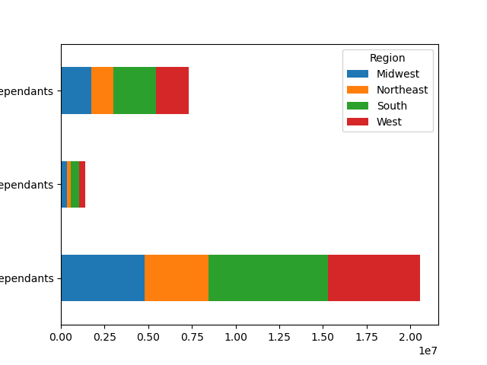
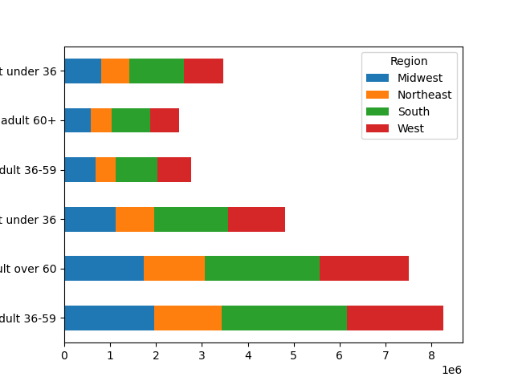
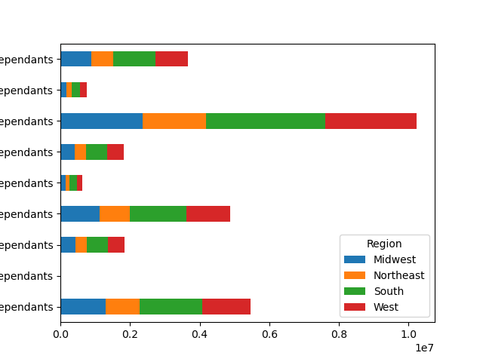

Single adult under 36
Mid income single without dependants
Mid income single with dependants
Single without Dependants
Mid income married with dependants
Single adult over 60
Low income single without dependants

Single adult 36-59
Low income single with dependants
Single with Dependants
Married adult under 36
Low income married with dependants

High income single without dependants
Married adult over 60
Married with Dependents
High income single with dependants
Married adult 36-59
High income married with dependants

7. Recommendations
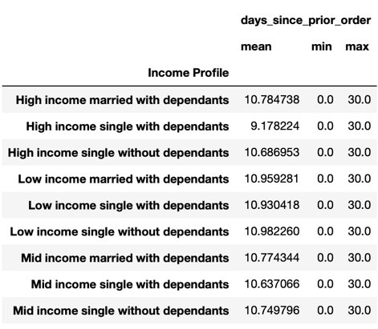
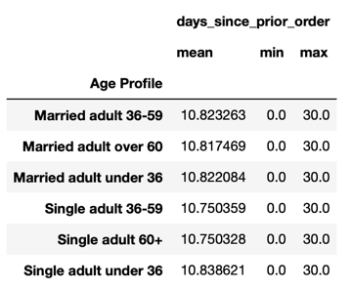
 |  |  |  |  |  |  | Title page

Recommendations

- Schedule ads between 12 and 5am and 6 and 10pm this is when the least amount of orders are being placed but also when the most money is spent, so people are spending more time shopping.
- Run deals for these low activity hours and days to boost sales and encourage customers to shop at times when specific ads are being run.
- Create suggested meal bundles that include all products to make an easy meal and include a feature where all items could be added to cart together for easy access. For example chicken parmesan which could include chicken, cheese, sauce, and pasta. This would encourage people to buy multiple items and customers may return for the easy meal ideas.
- Create a loyalty program to encourage customers to return, this could include coupons and percentage off orders.

Question | Answer
The sales team needs to know what the busiest days of the week and hours of the day are (i.e., the days and times with the most orders) in order to schedule ads at times when there are fewer orders. | The busiest days of the week are Saturday and Sunday suggesting users are preparing for the week. The busiest hours of the day are from 9am to 4pm. | 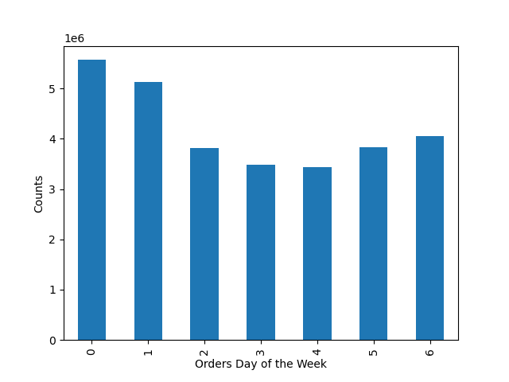 |  |  | 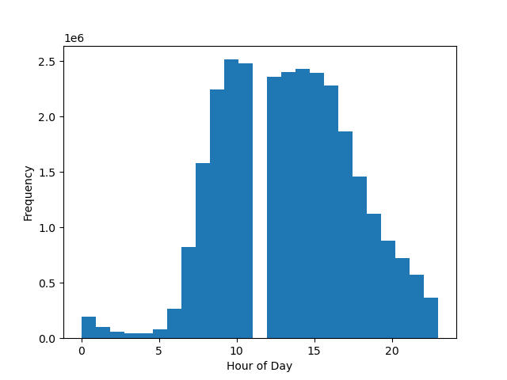
They also want to know whether there are particular times of the day when people spend the most money, as this might inform the type of products they advertise at these times. | People spend the most money between 3 and 6am and 6 and 10pm. This shows that customers may be preparing for a full grocery order early in the morning or late at night. While prices are lower between 7am and 12pm suggesting that thoughout the day customers may be doing quick purchases. | 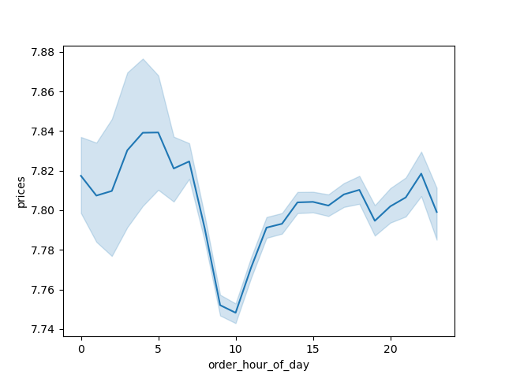
Mid range product
Low range product
High range product
Instacart has a lot of products with different price tags. Marketing and sales want to use simpler price range groupings to help direct their efforts. | The products were placed into price range groups. Any product over the price of $15 is considered a high range product. Any products greater than $5 and $15 or less are considered mid range products. Any product $5 and less are considered low range products. These descriptions were added as a column in the final dataframe as price_range_loc. | 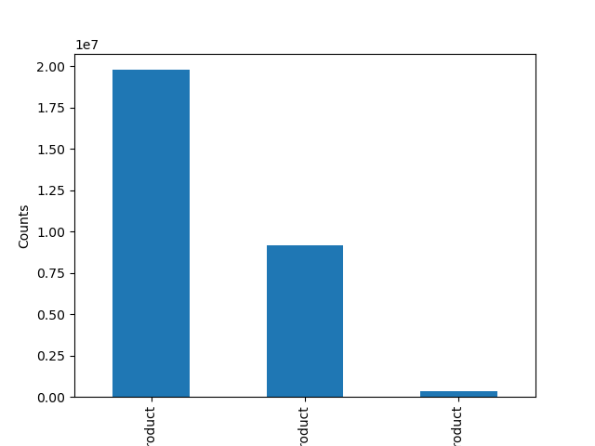
Are there certain types of products that are more popular than others? The marketing and sales teams want to know which departments have the highest frequency of product orders. | The top 5 types of products by frequency of orders are produce, dairy eggs, snacks, beverages, and frozen but produce takes up the majority of the sales. | 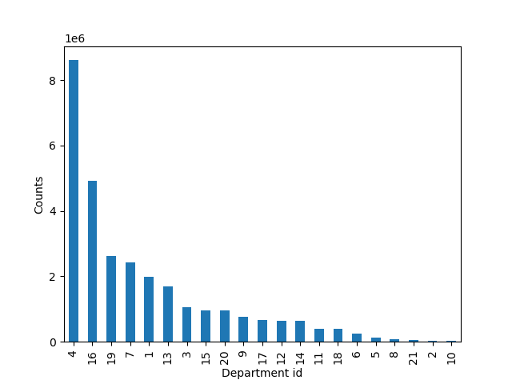
The marketing and sales teams are particularly interested in the different types of customers in their system and how their ordering behaviors differ. For example:

Regular Customer
Loyal Customer
New Customer
○ What’s the distribution among users in regards to their brand loyalty (i.e., how often do they return to Instacart)? Are there differences in ordering habits based on a customer’s loyalty status? | Customers have been placed into 3 categories based on amount of orders they have placed: Loyal customer = more than 40 orders Regular customer = more than 10 and 40 or fewer orders New customer = 10 or fewer orders
 | The graph shows that there are more regular customers among instacarts users, followed by Loyal customers and the least amount of users made up by new customers. When comparing the loyalty flag to order frequency, the loyal customers are returning to order on average every week, while the regular customers are returing on average every 12 days. When looking at customers expenditure based on loyalty there is not a large difference between spending across the customer categories | 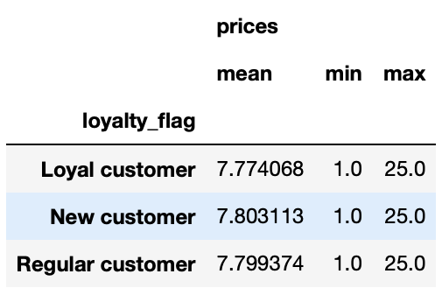 |  | 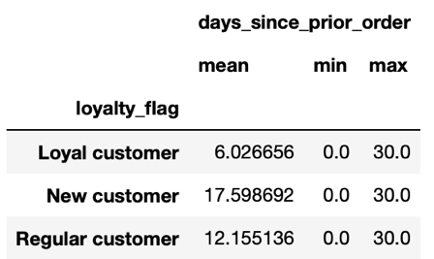

○ Are there differences in ordering habits based on a customer’s region? | The majority of customers are based in the South and with that the South has the most sales. When looking at when the highest amount of orders are placed during the week among all regions is is Saturday and Sunday which follows the data from the whole dataset. | 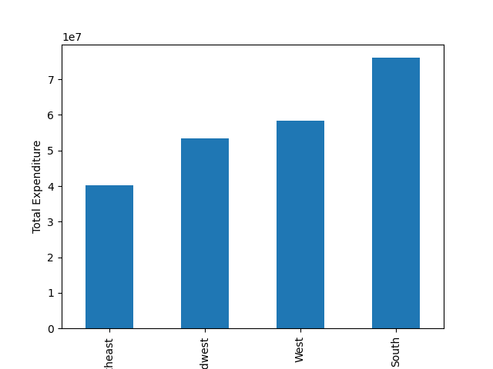 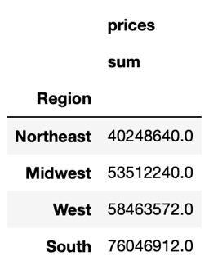 | 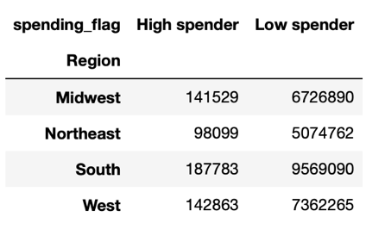 |  | 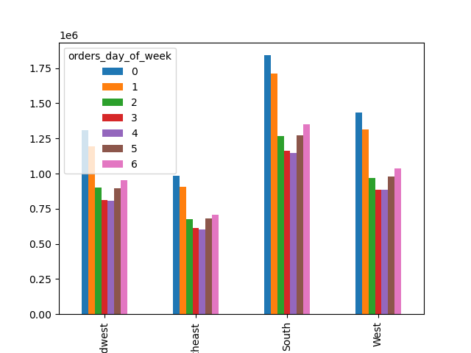

○ Is there a connection between age and family status in terms of ordering habits? | The majority if customers are married adults over the age of 35 and are considered Regular customers. In the overall data the distribution was similar so the ordering habits do not seem to differ depending on the category of age and family status as a whole. |  | 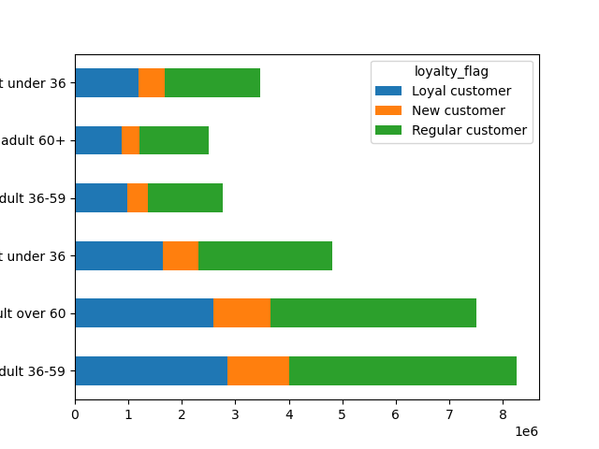 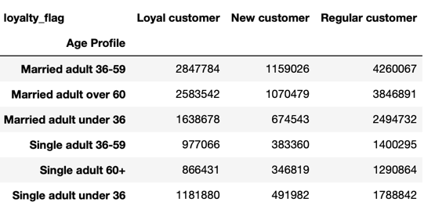

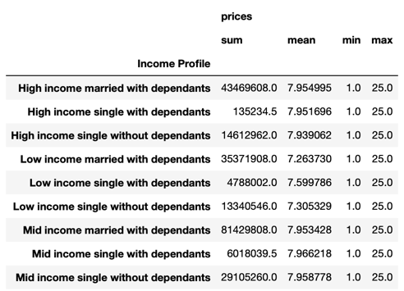
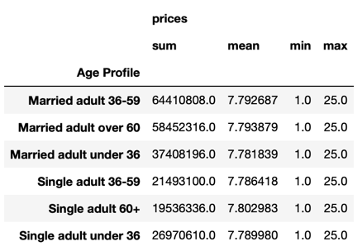
○ What different classifications does the demographic information suggest? Age? Income? Certain types of goods? Family status? What differences can you find in ordering habits of different customer profiles? Consider the price of orders, the frequency of orders, the products customers are ordering, and anything else you can think of. | Most of the customer base are married with dependants and over the age of 35 within those groupings a majority are in the mid to high income range. The average order frequency among all groups is about 10. As far as expenditure the customers spending the most are married adults over 35 with dependants in the high and mid income range. So the differences are customers with dependants are more likely to spend more as well as customers with a higher income. While the customers with a lower income, are single, or do not have dependents are less likely to spend a lot of money. | 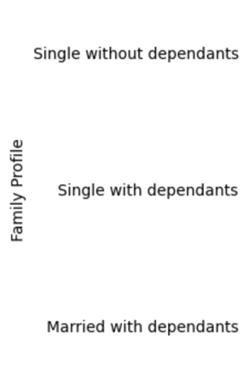 | 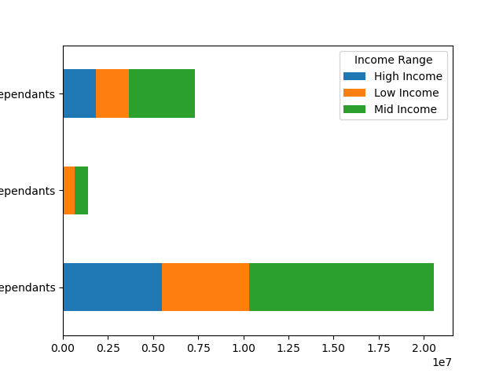 |  |  | 